
 |  |  |  | CODE: |  |  | pl1156 aa SN from 98E905
DESCRIPTION: |  | AXLE-PULLEY |  | ACHSE-RIEMENSCHEIBE | ESSIEU-POULIE | EJE-POLEA | ASSE PULEGGIA
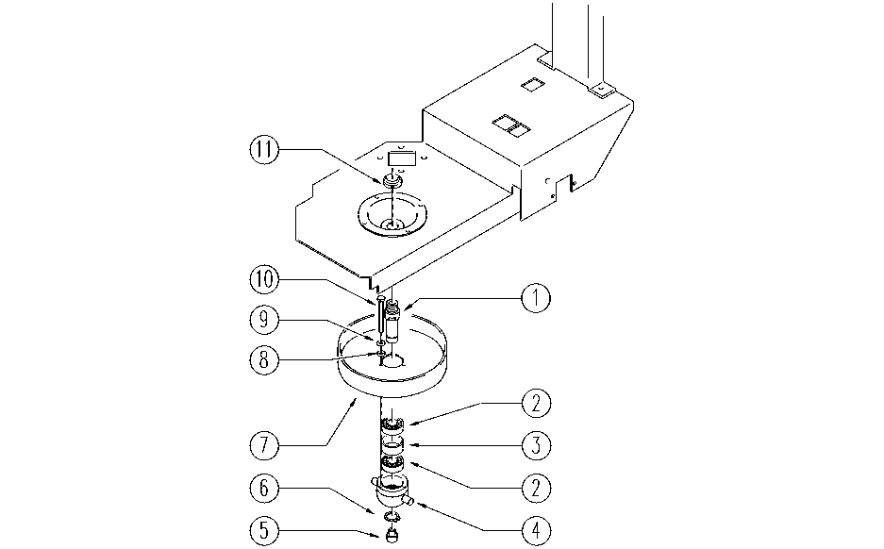

REF. | CODE | DESCRIPTION | QT
1 | E86534 | Pin | 1
2 | E86409 | Bearing, 6005 2RS | 2
3 | E86533 | Bearing spacer | 1
4 | E86532 | Conveyor | 1
5 | E86469 | AS20 Cap | 1
6 | E86812 | Seegeer | 1
7 | E86724 | Pulley, pipe | 1
8 | E86716 | Cham Washer | 3
9 | E86427 | Washer for AS20 | 3
10 | E86737 | Screw | 3
11 | E86468 | AS20 Nut | 1

